Print Page 1
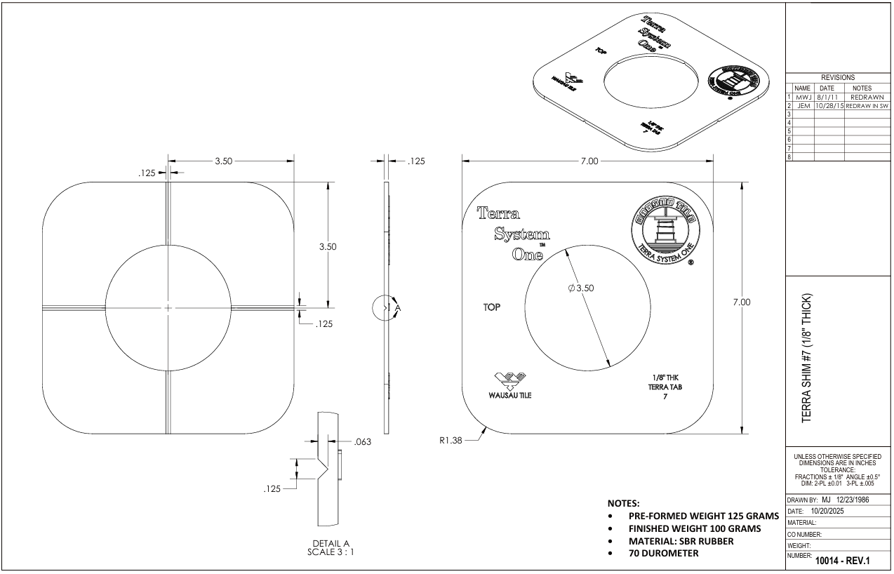

9

8
5
1

6

3
2

7

10
4

11

Tolerance Table
